Dashboard
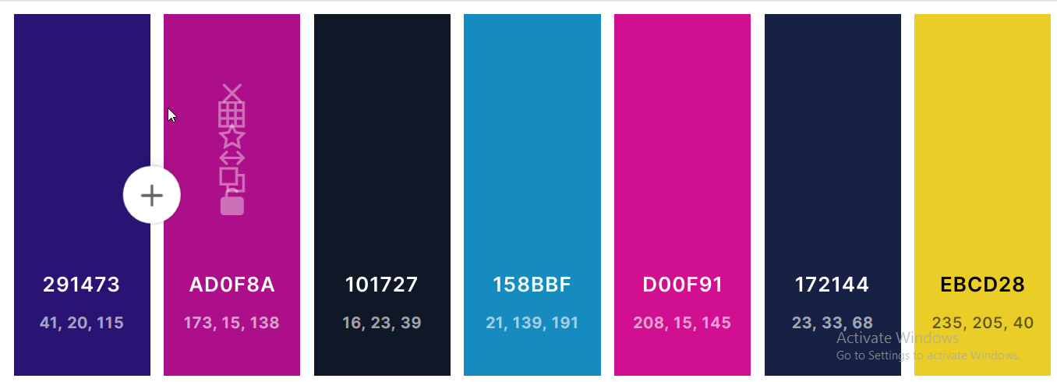
Key Performance
Indicator
 | Total
1-Feb | $41,609
2-Feb | $50,290
3-Feb | $27,929
4-Feb | $27,153
5-Feb | $56,486
6-Feb | $27,220
7-Feb | $18,944
8-Feb | $48,111
9-Feb | $22,739
10-Feb | $26,811
11-Feb | $40,181
12-Feb | $20,635
13-Feb | $47,111
14-Feb | $21,515
15-Feb | $64,681
16-Feb | $31,806
17-Feb | $30,235
18-Feb | $49,718
19-Feb | $47,007
20-Feb | $35,207
21-Feb | $39,427
22-Feb | $36,241
23-Feb | $32,414
24-Feb | $45,456
25-Feb | $44,884
26-Feb | $20,309
27-Feb | $20,884
28-Feb | $14,961
1-Feb | $28,019
2-Feb | $23,004
3-Feb | $25,655
4-Feb | $42,832
5-Feb | $27,124
6-Feb | $24,333
7-Feb | $47,574
8-Feb | $27,511
9-Feb | $35,039
10-Feb | $27,960
11-Feb | $13,795
12-Feb | $22,783
13-Feb | $26,795
14-Feb | $24,413
15-Feb | $46,758
16-Feb | $25,746
17-Feb | $32,976
18-Feb | $39,269
19-Feb | $40,659
20-Feb | $32,747
21-Feb | $37,701
22-Feb | $39,923
...
Top Day
15-Feb
Profit $20,527

1,174
75

Sales Dashboard
Transaction
Total Cities

Showing Total COGS
 | COGS
2015 | 670786
2016 | 613796
2017 | 652976
 | COGS
1900-01-01 | 317980
1900-01-02 | 303084
1900-01-03 | 281288
1900-01-04 | 288203
1900-01-05 | 263958
1900-01-06 | 265451
1900-01-07 | 217594
2,315
Clear
February

Quantity

Showing Yearly Profit Trends
Showing Weekly Profit Trends
$1,937,558
0.4%

Comparing February to January
COGS
Revenue went up in February compared to January sales
Quarterly
Revenue
Q-1
Q-2
Q-3
Q-4

$2,879,844
$2,879,844
$2,869,155
$10,689
Current month
$8,177,736
$5,883,307
$5,595,264
$6,004,902
Previous Month
Variance
Revenue
31.9%
22.9%
21.8%
23.4%

3.8%
Our Profitable Customers
7.0%
Our Profitable Cities
 | Total
Oakland | $65,230
Palmdale | $70,521
Victorville | $65,009
$942,286
 | Total
Billy Gonzales | $23,277
Eugene Hunter | $22,948
Henry Kelley | $18,532
Kenneth Marshall | $19,379
Ronald Bradley | $24,603
CLICK
To learn more
Profit

